Polish Data
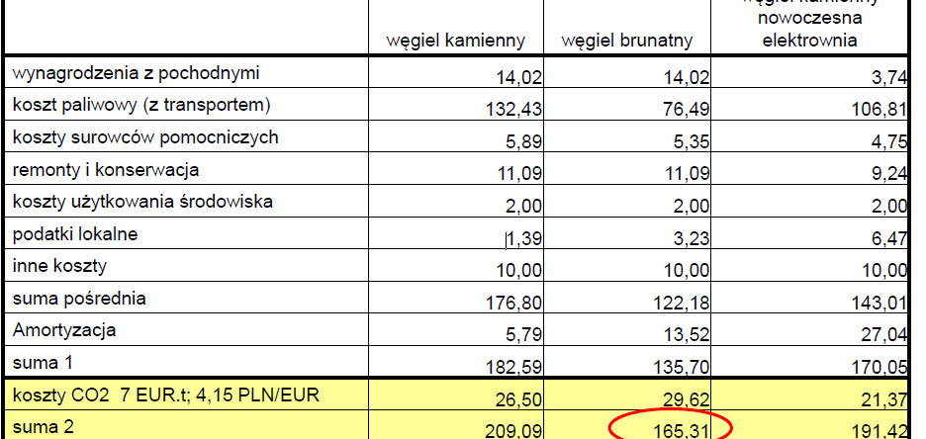

 | hard coal | lignite | hard coal - new
labour | 14.02 | 14.02 | 3.74
fuel and fuel transport | 132.43 | 76.49 | 106.81
extra raw material | 5.89 | 5.35 | 4.75
maintenance and repair | 11.09 | 11.09 | 9.24
environmental except CO2 | 2 | 2 | 2
local taxes | 1.39 | 3.23 | 6.47
other | 10 | 10 | 10
amortization | 5.79 | 13.52 | 27.04
 | 0.076775642079 | 0.10331613854 | 0.021993531314
 | 0.38772123894 | 0.31024562956 | 0.062857142857

variable | hard coal | lignite | CHP
all | 9288.3 | 4319.9 | 2413.9
fuel | 8876.1 | 3924.2 | 2311
environmental | 191.4 | 227.2 | 55.2
other | 220.8 | 168.5 | 47.7

fixed
all | 3128.5 | 2128.8 | 1022.8
labour | 1011.6 | 500.7 | 288.9
amortization | 1062.7 | 711.5 | 367.2
maintenance and repair | 680.4 | 396.9 | 165.7
other | 373.8 | 519.7 | 201
labour/all | 0.32334984817 | 0.23520293123 | 0.28245991396

